0142
LADIES PADDED JACKET LONG STYLE |  |  |  |  |  |  | STYLE NO.：YNW-0605
QTY： 28172 PCS/ 3 COLORS
SHELL & LINING: 100% POLYESTER
QTY PER COLOR | S | M | L | XL | XXL | TOTAL | 尾数35+180件
RED | 160 | 1193 | 1087 | 406 | 122 | 2968
BLACK | 840 | 3160 | 4449 | 4607 | 1735 | 14791
BROWN | 840 | 2908 | 2880 | 2450 | 1120 | 10198
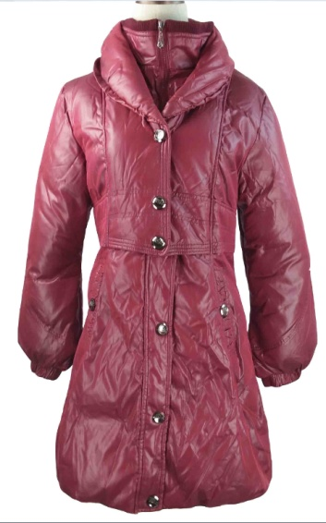 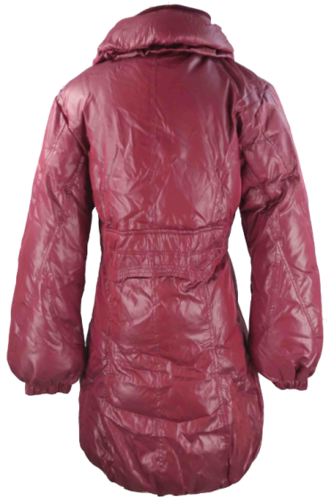 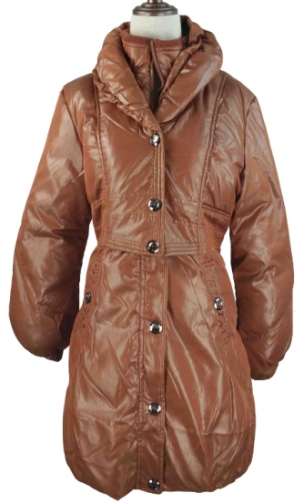 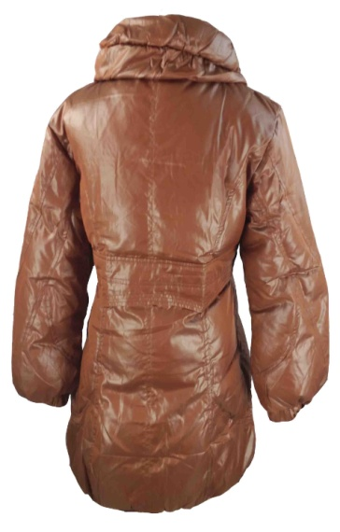 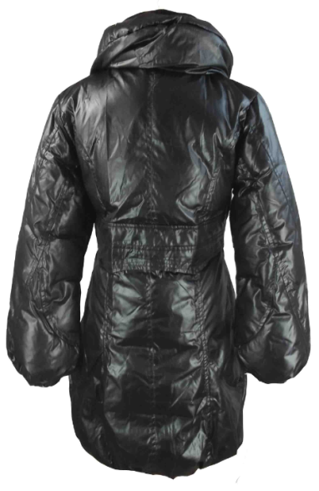 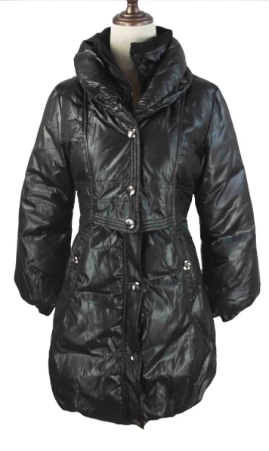

SIZE SPEC
Unit:CM | S | M | L | XL | XXL
body length 衣长 | 86 | 88 | 90 | 92 | 94
chest 胸围 | 49 | 51 | 53 | 55 | 57
sleeve length 袖长 | 61 | 62 | 63 | 64 | 65
sleeve opening 袖口 | 8.5 | 8.5 | 9 | 9 | 9.5
shoulder 肩宽 | 42 | 43 | 44 | 45 | 46
armhole 袖笼 | 20 | 21 | 22 | 23 | 24

